Sheet1
 | Visual Aid |  |  | Process Information
 | Created By: Toni Fraser | Date Created: | 2018-11-16 | Customer Name : QM
Product Line : 101 | Revised By: | Date Revised: | N/A | Part Name : V6
Operation : V6 HOODS | Approved by: Jordan Bogaert |  |  | Part Number : A80449
Equipment Name : Raw Parts |  |  |  | Part Revision : N/A
 |  |  |  | Document # : 8.5.2.32

Visual Aids
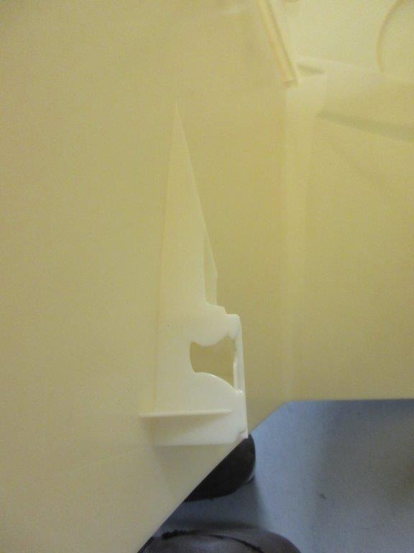
SHORT SHOT: NOT ACCEPTABLE
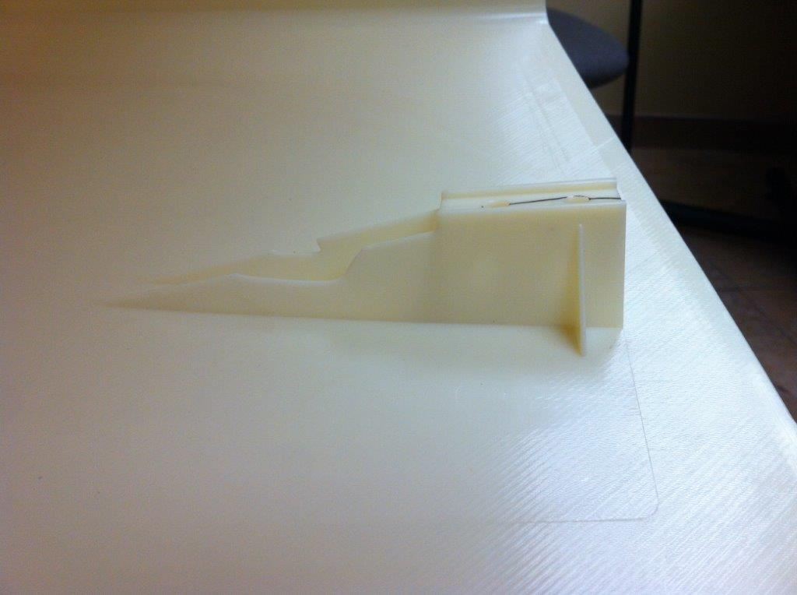
SHORT SHOT: ACCEPTABLE

